EPCB-006_R09
Electronics BOM_R26 of 1P SEM Main Board_Belly (EPCB-006_R09)
Sr No | FG Code | Parent Code | Designator | Image | Description | ERP Code | Qty | Package | Value | Rating | Tolerance | MPN | Manufacturer | Operating Temp. Range | Alternate ERP Code-1 | Alternate Part No.-1 | Alternate Mfr-1 | PTH/SMD | Remarks
1 | FGSEM4GSP0002 | SFSEMMTSP0002 | BT1 |  | 220 mah battery 3V Non Rechargeable Lithium Coin Cell with 3 Solder Tabs Pins (Vertical PCB Mountable) 22mm Dia , 3.5mm Width | ELEC-148_R00 | 1 | PC Pins (Vertical 3-Pin) PTH | lithium Coin battery | 3 V/220mAh | - | CR2032CKP | EVE | -20°C ~ 70°C |  |  |  | PTH
2 |  |  | BT2 | 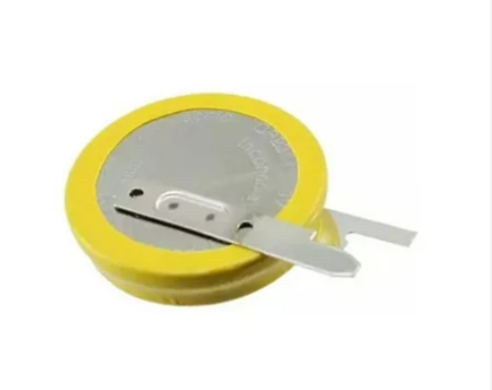 | 600 mAh battery 3V Non Rechargeable Lithium Coin Cell with 3 Solder Tabs Pins (Vertical PCB Mountable) 24mm Dia , 5mm Width | ELEC-147_R00 | 1 | PC Pins (Vertical 3-Pin) PTH | lithium Coin battery | 3 V/620mAh | - | CR2450CKP | EVE | -30°C ~ 60°C |  |  |  | PTH
3 |  |  | L1 | 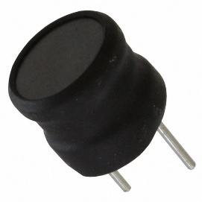 | Wirewound Inductor 330 mA 3.4Ohm Max Radial | ELEC-262_R00 | 1 | Radial (PTH) | 1mH | 330mA | ±5% | 744732102 | Würth Elektronik | -40°C ~ 125°C |  |  |  | PTH
4 |  |  | T1 | 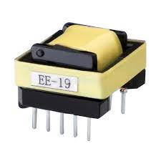 | TRANSFORMER 2 mH EE16 , 2.1 MH iron dust core | ELEC-189_R00 | 1 | EE16 PTH | TRANSFORMER | 2A | - | 22A71 | INDOTECH MAGNETICS / PERFECT TRANSFORMER | - |  |  |  | PTH
5 |  |  | RV1 | 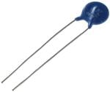 | 820 V, SURGE 4.5kA MOV (Varistor) T/H Disc 14mm,P7.5mm | ELEC-037_R00 | 1 | Radial (PTH) | 820 V | 4.5 Ka | ±10% | B72214S0511K101 | EPCOS - TDK Electronics | -40°C ~ 105°C |  |  |  | PTH
6 |  |  | C1 | 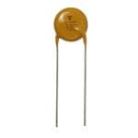 | 2200 pF ±20% 760VAC Ceramic Capacitor Radial, Disc | ELEC-179_R00 | 1 | Radial (PTH) | 2200 pF | 760VAC | ±20% | VY1222M43Y5UC63V0 | Vishay Beyschlag/Draloric/BC Components | -40°C ~ 125°C |  |  |  | PTH
7 |  |  | C2,C6 | 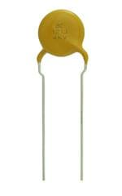 | 1000 pF ±10% 1000V Ceramic Capacitor Radial, Disc | ELEC-177_R00 | 2 | Radial (PTH) | 1000 Pf | 1 kVDC | ±10% | S102K29Y5PN6TJ5R | Vishay Beyschlag/Draloric/BC Components | -30°C ~ 85°C |  |  |  | PTH
8 |  |  | C3 |  | 47 pF ±5% 1000V (1kV) Ceramic Capacitor Radial, Disc | ELEC-186_R00 | 1 | Radial (PTH) | 47 pF | 1 kVDC | ±5% | S470J25SL0N6UJ5R | Vishay Beyschlag/Draloric/BC Components | -55°C ~ 125°C |  |  |  | PTH
9 |  |  | C7 |  | Ceramic Disc Capacitors 4700pF 1000V 20% Z5U 5.0mm LS | ELEC-178_R00 | 1 | Radial (PTH) | 4700pF | 1 kVDC | ±20% | S472M39Z5UN63J5R | Vishay Beyschlag/Draloric/BC Components | -30°C ~ 85°C |  |  |  | PTH
10 |  |  | U3 | 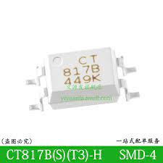 | 35V 5000V 50mA 0.1V@1mA,20mA 1 6V 1.24V DC DIP-4 Optocouplers - Phototransistor Output ROHS | ELEC-142_R00 | 1 | DIP-4 | Optocouplers | 50mA | - | CT817B-H | CT MICRO/SHARP/ONSEMI | -55°C ~ 110°C |  |  |  | PTH
11 |  |  | C11 | 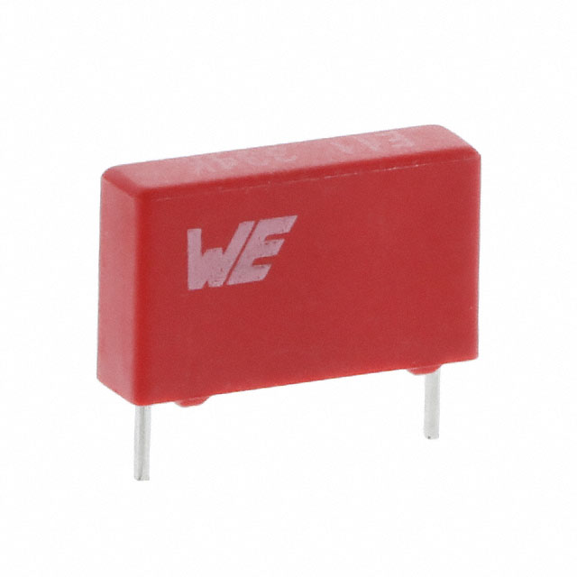 | 100nF 10% 630V Film Capacitors X2 WCAP-FTBE | ELEC-163_R00 | 1 | Radial (PTH) | 0.1 µF | 630VDC | 10% | 890303425004CS | Würth Elektronik | -40°C ~ 85°C |  |  |  | PTH
12 |  |  | C12 | 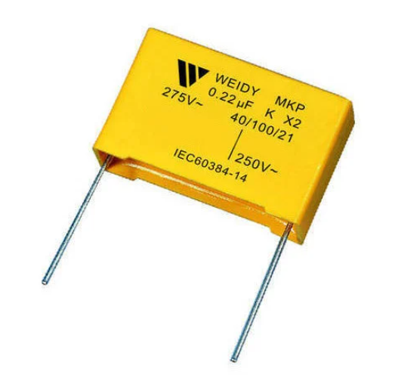 | 0.22uF 10% 305V X2 Film Capacitors | ELEC-187_R00 | 1 | Radial (PTH) | 0.22uF | 305V | 10% | FVC46H0224K2L | KYOCERA AVX | -40°C ~ 110°C | ELEC-217_R00 | W42Q3224KM8L00B0W1 | WEIDY | PTH
13 |  |  | R5 | 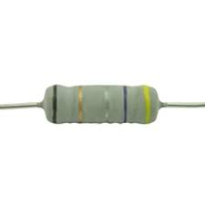 | 470R/7W RESISTANCE LENGTH 25mm | ELEC-188_R00 | 1 | Axial (PTH) | 470ohms | 7W | ± 5% | EM7 470R JAXSSCR (MCKNP 700-S) | PEC | ± 300ppm/°C |  |  |  | PTH
14 |  |  | R73 | 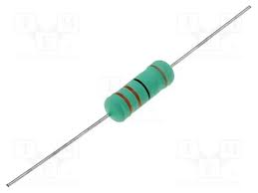 | 22 Ohms ±5% 1W Through Hole Resistor | ELEC-210_R00 | 1 | Axial (PTH) | 22 OHMS | 1W | ±5% | PR01000102209JR500 | Vishay Beyschlag/Draloric/BC Components | -55°C ~ 155°C |  |  |  | PTH
15 |  |  | U5 | 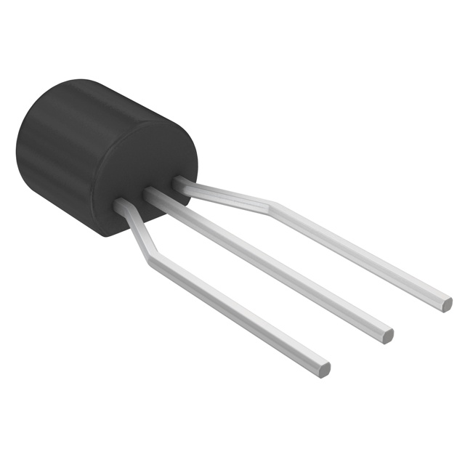 | Shunt Voltage Reference IC Adjustable 2.495V 36 Vmax ±2% 100 mA | ELEC-182_R00 | 1 | TO-92-3 (PTH) | SHUNT VOLTAGE REFERENCE IC ADJUSTABLE | 36 V | ±2% | TL431CLP-Z | TEXAS/ST/Fairchild | 0°C ~ 70°C | ELEC-182_R01 | TL431ACLPR | Texas Instruments | PTH
16 |  |  | C5,C53,C54 | 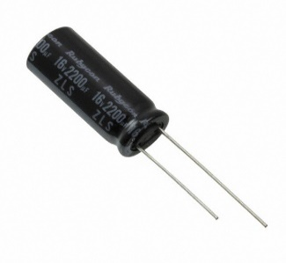 | 2200uF 16VDC, ELECTROLYTE CAP D10mm,P5.0mm | ELEC-041_R00 | 3 | Radial (PTH) | 2200 µF | 16 V | ±20% | 16ZLS2200MEFC10X25 | Rubycon | -40°C ~ 105°C | ELEC-216_R00 | WF1C228M12025PH | SAMWAH | PTH
17 |  |  | C8,C13 | 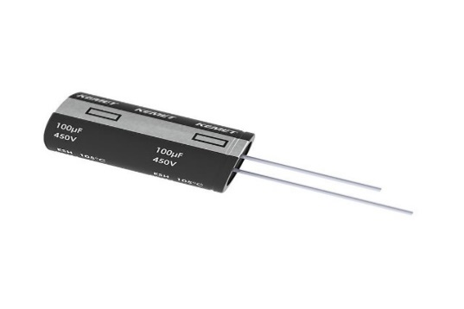 | 22uF 400V Electrolytic Capacitors - Radial D13mm,P5.0mm | ELEC-159_R00 | 2 | Radial (PTH) | 22uF | 400 VDC | ±20% | ESH226M400AL4AA | KEMET | -25°C ~ 105°C | ELEC-215_R00 | RD2G226M12020PH | SAMWAH | PTH
18 |  |  | C9 | 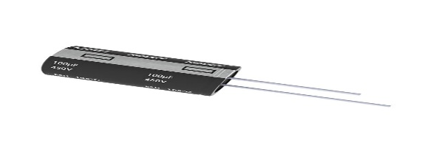 | 1000 µF 16 V Electrolytic Capacitors Radial D10mm,P5.0mm | ELEC-162_R00 | 1 | Radial (PTH) | 1000UF | 16 VDC | 20% | UKA1C102MPD | Nichicon | -55°C ~ 105°C | ELEC-211_R00 | 860020375017 | WURTH | PTH
19 |  |  | C49,C56,C57 | 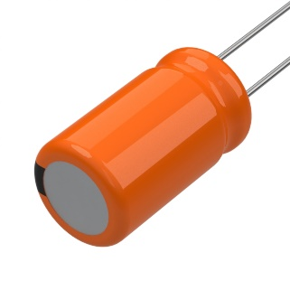 | SUPER CAP 5F -20% +50% 3V PTH | ELEC-164_R00 | 3 | Radial (PTH) | 5 F | 3 V | -20%, +50% | MAL223551011E3 | Vishay Beyschlag/Draloric/BC Components | -40°C ~ 85°C | ELEC-214_R00 | DS0U505W10020BB | SAMWAH | PTH
20 |  |  | D9 |  | LED RED DIFFUSED 5MM ROUND Dia 5mm | ELEC-019 | 1 | Radial (PTH) | 2V | 20mA | - | 333-2SDRD/S530-A3/TR1-13 | Everlight Electronics Co Ltd | -40°C ~ 85°C | ELEC-260_R00 | O333-2SURD/S530-A3(EMM-1) | EVERLIGHT | PTH
21 |  |  | Mechanical Stand For (Q5,D12) |  | Communication port stand | EMP006_R01 | 1 |  |  |  |  |  |  |  |  |  |  | -
22 |  |  | D12 | 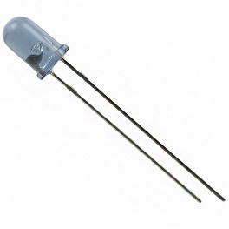 | Infrared (IR) Emitter 940nm 1.2V 100mA 7.8mW/sr @ 20mA Radial Dia5.0mm | ELEC-018 | 1 | Radial (PTH) | 1.2V | 100mA | - | IR333-A IR333/H0-A | Everlight Electronics Co Ltd | -40°C ~ 85°C (TA) | ELEC-018_R01 | IR333/H0-A(GEN) | EVERLIGHT | PTH
23 |  |  | Q5 | 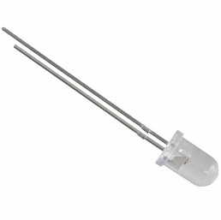 | Photo transistors 940nm Top View Radial, Dia5.0mm | ELEC-020 | 1 | Radial (T-1) (PTH) | Photo transistors | 400 mV | - | PT333-3C | Everlight | - 40 C - + 85 C | ELEC-020_R01 | PT333-3C(GEN) | EVERLIGHT | PTH
24 |  |  | D4 | 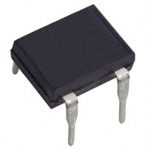 | Bridge Rectifiers 1000V 1A | ELEC-155_R01 | 1 | 4-EDIP (0.300", 7.62mm) PTH | Diode | 1A | - | DF10M | Diodes Incorporated | -65°C ~ 150°C | ELEC-236_R00 | DF10M-E3/45 | Vishay | PTH
25 |  |  | J6 | 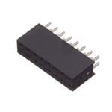 | 2x8 Socket Female Header connector 2.54Pitch | ELEC-207_R00 | 1 | Socket Header PTH | - | 3A | - | 61301621821 | Würth Elektronik | -40°C ~ 125°C |  |  |  | PTH
26 |  |  | SW2 | 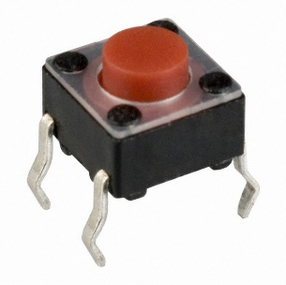 | 4Pin Round Button SPST Straight Tactile Switch DIP L6xW6mm | ELEC-208_R00 | 1 | 4Pin DIP (PTH) | SPST | 50mA |  | TS665CJ | SHOU HAN/ | -20°C ~ 70°C |  |  |  | PTH
27 |  |  | J12 | 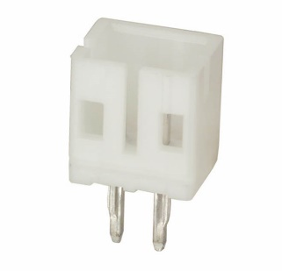 | CONN HEADER,MALE ,P-2MM,2 PIN,PTH | ELEC-220_R00 | 1 | Press-Fit, Solder (PTH) | 100V | 2A | - | B2B-PH-K-S(LF)(SN) | JST Sales America Inc. | -25°C ~ 85°C |  |  |  | PTH
28 |  |  | J2 | 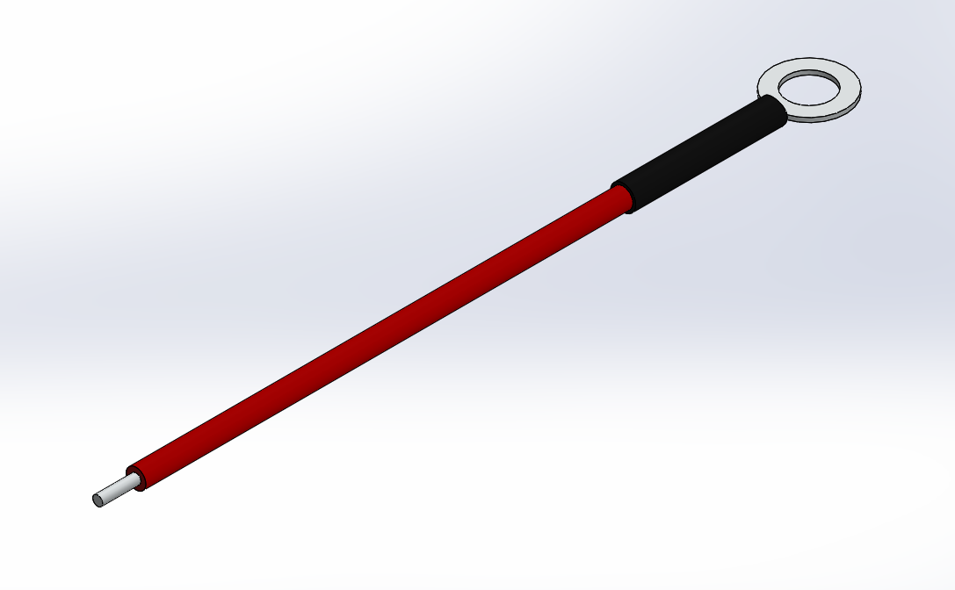 | Primary wire- Red with M.. Thimble and sleeve (Gauge of the strands :- 36swg , Length :- 68.00 mm.,Thimble M4 Thickness 0.3 mm.) | EMRT001_R01 | 1 |  |  |  |  |  |  | 105°C |  |  |  | PTH
29 |  |  | J1 | 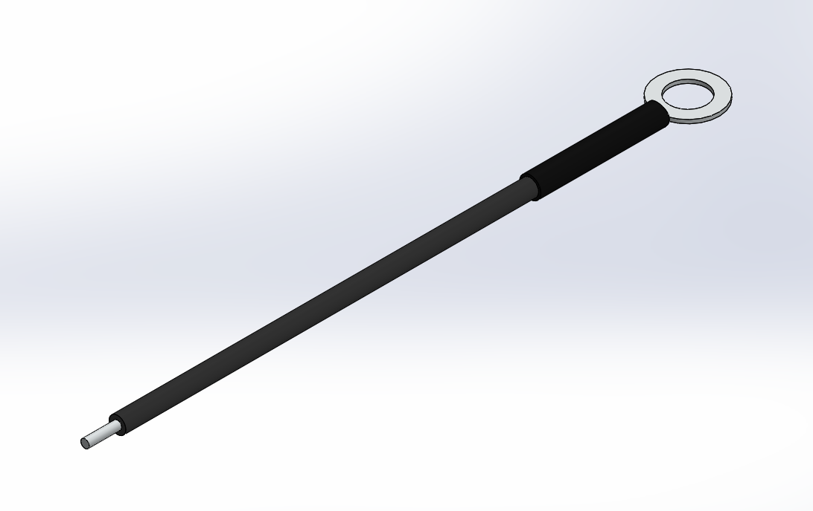 | Primary wire- Black with M.. Thimble and sleeve (Gauge of the strands :- 36swg , Length :- 68.00 mm.,Thimble M4 Thickness 0.3 mm.) | EMBT001_R01 | 1 |  |  |  |  |  |  | 105°C |  |  |  | PTH
30 |  |  | J17 |  | Ø5mm x 32 mm Length Spring | EMM012_R01 | 1 |  |  |  |  |  |  |  |  |  |  | PTH
31 |  |  | Mechanical Stand For (LCD11,D8) | 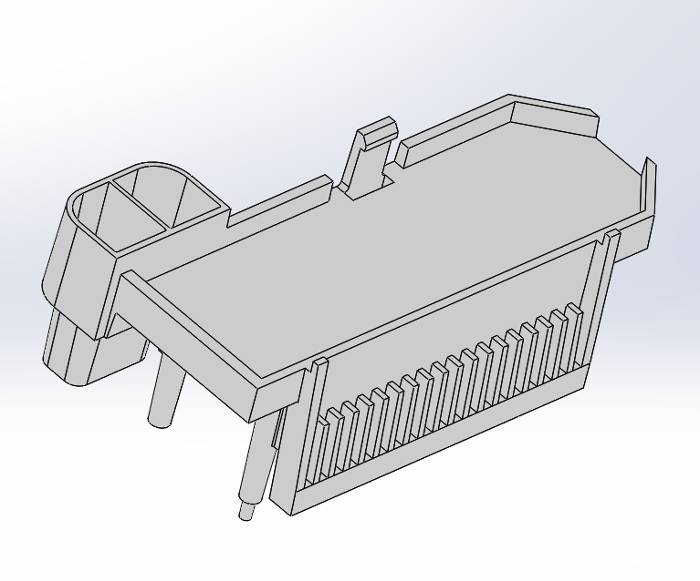 | LCD stand | EMP007_R01 | 1 |  |  |  |  |  |  |  |  |  |  | -
32 |  |  | LCD11 | 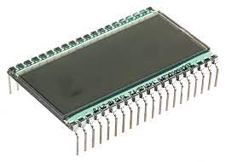 | LCD GLASS FOR SMART ENERGY METER_L50xW18mm | ELCD-001_R00 | 1 | PTH | - | - | - | AT1522A-SPP (HSR37297-DYTSP-A0) | WINNER/TIANMA |  |  |  |  | PTH
33 |  |  | D8 | 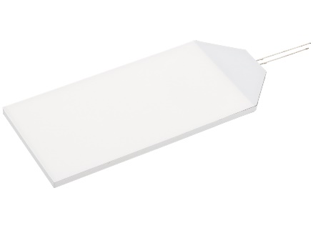 | BACKLIGHT COLOR:GREEN, 55x18mm,3.3 VOLT | ELEC-223_R00 | 1 | PTH | BACKLIGHT | 3.3 V | - | WB0123 | WINNER/TIANMA | - |  |  |  | PTH
34 |  |  |  | 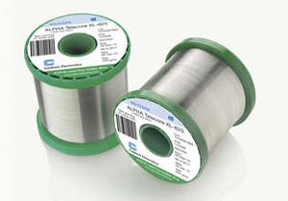 | Leadfree Solder Wire SN 99%/CU 0.7%/Ag0.3%, RC WIRE; 20 SWG/1mm ; 2% No Clean Flux | ECON-011_R01 | 0.003 Kgs
35 |  |  | RTV Silicone For C49 |  | DOW 744 WHITE, Sealant, RTV Silicone, 1 Part, PCBs, Tube, White, 90 ml | EEM001-002 | 1 ML |  |  |  |  |  |  |  | EEM001-003 | 2035C | Electo | -
36 |  |  |  |  | Bharat Bijlee DC Acryform Conformal Coating for PCB - 400ml,Temp. Resistance : -70°C to 120°C,Dielectric Strength : 20.4 | EEM001-001 | 3 ML
37 |  | SFSEMMSSP0002 | PCB | 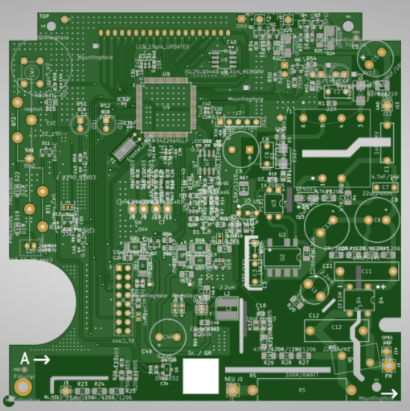 | Board size: 111 x 110 mm, Material:FR4, Layer:2, surface: HAL Lead-Free, solder mask:Green, Legend Mask:White, Board Thickness:1.6mm, Copper: 35µ | EPCB-006_R09 | 1
38 |  |  | C21,C22,C27,C28,C29, C30,C31,C32,C33,C34, C35,C36,C37,C38,C39, C40,C41,C42,C43,C44, C45,C58,C59 | 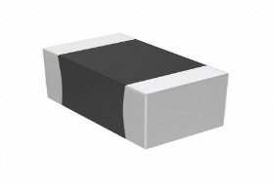 | 0.1 µF ±10% 25V Ceramic Capacitor X7R 0402 | ELEC-042_R00 | 23 | SMD 0402 | 0.1 µF | 25V | ±10% | CC0402KRX7R8BB104 | YAGEO | -55°C ~ 125°C |  |  |  | SMD
39 |  |  | C4 |  | 0.1 µF ±10% 25V Ceramic Capacitor X7R 0603 | ELEC-078 | 1 | SMD 0603 | 0.1 µf | 25V | ±10% | CC0603KRX7R8BB104 | YAGEO | -55°C ~ 125°C |  |  |  | SMD
40 |  |  | C14,C19,C20 |  | 0.1 µF ±10% 25V Ceramic Capacitor X7R 0805 | ELEC-160_R00 | 3 | SMD 0805 | 0.1 µf | 25V | ±10% | CC0805KRX7R8BB104 | YAGEO | -55°C ~ 125°C |  |  |  | SMD
41 |  |  | C15 |  | 10 µF ±10% 16V Ceramic Capacitor X5R 0805 | ELEC-092_R00 | 1 | SMD 0805 | 10 µF | 16V | ±10% | GRM21BR61C106KE15K | Murata Electronics | -55°C ~ 85°C | ELEC-248_R00 | GRM21BR61C106KE15L | Murata | SMD
42 |  |  | C16 |  | 0.1 µF ±10% 25V Ceramic Capacitor X7R 1206 | ELEC-038_R00 | 1 | SMD 1206 | 0.1 µF | 25V | ±10% | CC1206KRX7R8BB104 | YAGEO | -55°C ~ 125°C | ELEC-002_R00 | 1206B104K500CT | Walsin Technology Corporation | SMD
43 |  |  | C17,C18,C23,C24, C25,C26 |  | CAP CER 0.01uF 16V X7R 0603 | ELEC-161_R01 | 6 | SMD 0603 | 0.01uF | 16V | ±10% | CC0603KRX7R7BB103 | YAGEO | -55°C ~ 125°C |  |  |  | SMD
44 |  |  | C46,C47 |  | 22uF ±20% Ceramic Capacitor X5R 1206 | EEC001-033 | 2 | SMD 1206 | 22uF | 16V | ±20% | C1206C226M4PAC7800 | KEMET | -55°C ~ 85°C |  |  |  | SMD
45 |  |  | C48 |  | 22 µF ±20% 16V Ceramic Capacitor X6S 0805 | ELEC-170_R00 | 1 | SMD 0805 | 22 µF | 16 VDC | ±20% | GRM21BC81C226ME44L | Murata Electronics | -55°C ~ 105°C |  |  |  | SMD
46 |  |  | D6 |  | 30VOLT 0.5A SCHOTTKY DIODE | ELEC-030_R00 | 1 | SOD-323-2 | Schottky Rectifiers | 500 mA | - | PMEG3005AEA,115 | NXPERIA/ONSEMI/ROHM | - 65 C - 150 C |  |  |  | SMD
47 |  |  | D1,D11 | 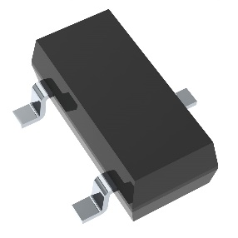 | 30 Volt 200mA Schottky diode array | ELEC-017 | 2 | SOT-23-3 | Diode | 200mA | - | BAT54C-G3-08 | Vishay Semiconductors | -55°C ~ 125°C | ELEC-242_R00 | BAT54C,215 | NEXPERIA | SMD
48 |  |  | D2, D3 | 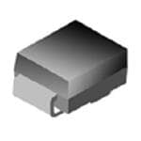 | DIODE GEN PURPOSE 600V 2A DO214AC | ELEC-154_R01 | 2 | DO-214AC | Diode | 2A | - | ES2J-LTP | Micro Commercial Co | - 65 C - 175 C |  |  |  | SMD
49 |  |  | D5 |  | DIODE GEN PURPOSE 1KV 1A DO214AC | ELEC-195_R00 | 1 | DO-214AC | Diode | 1A | - | US1M-TP | Micro Commercial Co | -65°C ~ 150°C |  |  |  | SMD
50 |  |  | D7,D16,D17 | 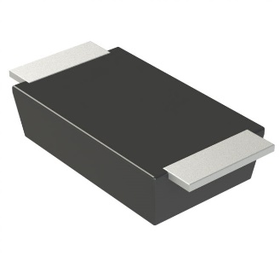 | 30VOLT 3A SCHOTTKY DIODE | ELEC-150_R01 | 3 | SOD-128-2 | 30 V | 3A | - | PMEG3030EP,115 | Nexperia USA Inc. | -55°C ~ 150°C |  |  |  | SMD
51 |  |  | D18 |  | 30VOLT 3A SCHOTTKY DIODE | EED001-009 | 1 | SOD-128-2 | 30 V | 3A | - | PMEG3030BEP,115 | Nexperia USA Inc. | -55°C ~ 150°C | EED001-010 | SK34SMA-3G | Diotec | SMD
52 |  |  | D15,D19,D22 | 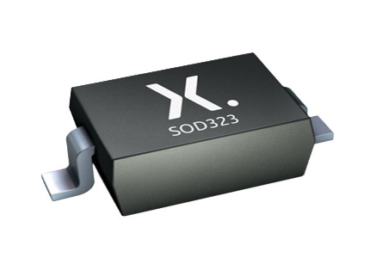 | 40 VOLT 0.12 A SCHOTTKY DIODE | ELEC-153_R01 | 3 | SOD-323-2 | 40 V | 120 mA | - | RB751V40,115 | Nexperia | -65°C ~ 150°C |  |  |  | SMD
53 |  |  | L2 | 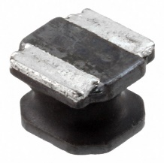 | 2.2uH/3A INDUCTOR L5xW5mm | ELEC-157_R01 | 1 | 5040 SMD | 2.2 µH | 3.8 A | ±30% | 74404054022 | Würth Elektronik | -40°C ~ 125°C |  |  |  | SMD
54 |  |  | Q1, Q3 | 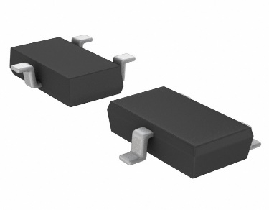 | MOSFET P-CH 30V 1.5A | ELEC-122_R00 | 2 | SOT-346T-3 | 30 V | 1.5A | ±20V | RRR015P03TL | Rohm Semiconductor | -55°C ~ 150°C | ELEC-212_R00 | MMFTP3401 | Diotec | SMD
55 |  |  | Q2, Q4 | 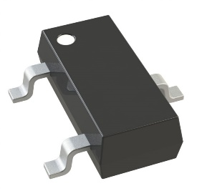 | BJT Transistor NPN 40 V 1 A 150MHz 500 mW | ELEC-034_R00 | 2 | SOT-23-3 | Bipolar Transistors - BJT | 40V/1A | - | FMMT491ATA | Diodes Incorporated | -55°C ~ 150°C |  |  |  | SMD
56 |  |  | Q6 | 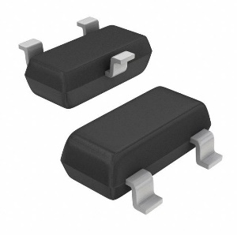 | 45 Volt 100mA PNP TRANSISTOR | ELEC-022 | 1 | SOT-23-3 | Bipolar Transistors - BJT | 45V/100 mA | - | BC857CLT3G | onsemi | -55°C ~ 150°C | ELEC-244_R00 | BC857C,215 | NEXPERIA | SMD
57 |  |  | Q7 |  | BJT Transistor NPN 45 V 500 mA 100MHz 250 mW | ELEC-197_R00 | 1 | SOT-23-3 | Bipolar Transistors - BJT | 500 mA | - | BC817-40,215 | Nexperia USA Inc. | -65°C ~ 150°C |  |  |  | SMD
58 |  |  | R1, R2 | 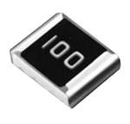 | 22 Ohms ±1% 0.125W, 1/8W Chip Resistor 0805 | ELEC-057_R00 | 2 | SMD 0805 | 22 Ohms | 0.125W | ±1% | CR0805-FX-22R0ELF | Bourns Inc. | -55°C ~ 155°C |  |  |  | SMD
59 |  |  | R3, R8, R15, R17 | 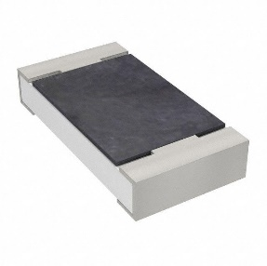 | 2.2 MOhms ±1% 0.25W, 1/4W Chip Resistor 1206 | ELEC-047_R00 | 4 | SMD 1206 | 2.2 Mohms | 0.25W, 1/4W | ±1% | RC1206FR-072M2L | YAGEO | -55°C ~ 155°C |  |  |  | SMD
60 |  |  | R9 |  | 47 kOhms ±5% 0.25W, 1/4W Chip Resistor 1206 | ELEC-089_R00 | 1 | SMD 1206 | 47k ohms | 0.25W, 1/4W | ±5% | RC1206JR-0747KL | YAGEO | -55°C ~ 155°C |  |  |  | SMD
61 |  |  | R4,R63 |  | 47 Ohms ±1% 0.25W, 1/4W Chip Resistor 1206 | ELEC-88_R00 | 2 | SMD 1206 | 47 ohms | 0.25W, 1/4W | ±1% | CR1206-FX-47R0ELF | Bourns Inc. | -55°C ~ 155°C |  |  |  | SMD
62 |  |  | R69, R70 |  | 2.2 MOhms ±5% 0.063W, 1/16W Chip Resistor 0402 | ELEC-166_R00 | 2 | SMD 0402 | 2.2Mohm | 1/10W | ±5% | RC0402JR-072M2L | YAGEO | -55°C ~ 155°C |  |  |  | SMD
63 |  |  | R14,R51 |  | 1.5 kOhms ±5% 0.1W, 1/10W Chip Resistor 0603 | ELEC-064_R00 | 2 | SMD 0603 | 1.5 kOhms | 1/10W | ±5% | RC0603JR-071K5L | YAGEO | -55°C ~ 155°C |  |  |  | SMD
64 |  |  | R7,R33,R34,R36,R37,R50 |  | 1 kOhms ±5% 0.1W, 1/10W Chip Resistor 0603 | ELEC-167_R01 | 6 | SMD 0603 | 1k ohm | 1/10W | ±5% | RC0603JR-071KL | YAGEO | -55°C ~ 155°C |  |  |  | SMD
65 |  |  | R11,R16,R21 |  | 27 kOhms ±5% 0.125W, 1/8W Chip Resistor 0805 | ELEC-054_R00 | 3 | SMD 0805 | 27 kOhms | 1/8W | ±5% | RC0805JR-0727KL | YAGEO | -55°C ~ 155°C |  |  |  | SMD
66 |  |  | R13,R54 |  | 220 Ohms ±1% 0.125W, 1/8W Chip Resistor 0805 | ELEC-176_R00 | 2 | SMD 0805 | 220 OHMS | 1/8W | ±1% | CR0805-FX-2200ELF | Bourns Inc. | -55°C ~ 155°C |  |  |  | SMD
67 |  |  | R18,R64 |  | 1 kOhms ±5% 0.125W, 1/8W Chip Resistor 0805 | ELEC-049_R00 | 2 | SMD 0805 | 1 K OHMS | 1/8W | ±5% | RC0805JR-071KL | YAGEO | -55°C ~ 155°C |  |  |  | SMD
68 |  |  | R19, R62 |  | 10 kOhms ±5% 0.125W, 1/8W Chip Resistor 0805 | ELEC-180_R00 | 2 | SMD 0805 | 10K OHMS | 1/8W | ±5% | RC0805JR-0710KL | YAGEO | -55°C ~ 155°C |  |  |  | SMD
69 |  |  | R20 |  | 10 kOhms ±5% 0.25W, 1/4W Chip Resistor 1206 | ELEC-169_R00 | 1 | SMD 1206 | 10K OHMS | 1/4W | ±5% | RC1206JR-0710KL | YAGEO | -55°C ~ 155°C |  |  |  | SMD
70 |  |  | R22, R35 |  | 10 Ohms ±1% 0.25W, 1/4W Chip Resistor 1206 | ELEC-172_R00 | 2 | SMD 1206 | 10 OHMS | 1/4W | ±1% | CR1206-FX-10R0ELF | Bourns Inc. | -55°C ~ 155°C |  |  |  | SMD
71 |  |  | R23 |  | 1 MOhms ±1% 0.25W, 1/4W Chip Resistor 1206 | ELEC-175_R00 | 1 | SMD 1206 | 1 MOHMS | 1/4W | ±1% | RC1206FR-071ML | YAGEO | -55°C ~ 155°C |  |  |  | SMD
72 |  |  | R24,R25,R27, R28,R29,R72 |  | 470 kOhms ±1% 0.25W, 1/4W Chip Resistor 1206 | ELEC-045_R00 | 6 | SMD 1206 | 470K OHMS | 1/4W | ±1% | RC1206FR-07470KL | YAGEO | -55°C ~ 155°C |  |  |  | SMD
73 |  |  | R30 |  | 750 Ohms ±1% 0.125W, 1/8W Chip Resistor 0805 | EER001-029 | 1 | SMD 0805 | 750 OHMS | 1/8W | ±1% | RC0805FR-07750RL | YAGEO | -55°C ~ 155°C |  |  |  | SMD
74 |  |  | R26,R53,R57 |  | 750 Ohms ±5% 0.125W, 1/8W Chip Resistor 0805 | ELEC-008 | 3 | SMD 0805 | 750 OHMS | 1/8W | ±5% | WR08X751 JTL | Walsin | -55°C ~ 155°C |  |  |  | SMD
75 |  |  | R32 |  | 820 Ohms ±1% 0.125W, 1/8W Chip Resistor 0805 | EER001-030 | 1 | SMD 0805 | 820 OHMS | 1/8W | ±1% | RC0805FR-07820RL | YAGEO | -55°C ~ 155°C |  |  |  | SMD
76 |  |  | R31 |  | 820 Ohms ±5% 0.125W, 1/8W Chip Resistor 0805 | ELEC-051_R00 | 1 | SMD 0805 | 820 OHMS | 1/8W | ±5% | WR08X821 JTL | Walsin | -55°C ~ 155°C |  |  |  | SMD
77 |  |  | R38, R55, R56, R77, R78 |  | 10 kOhms ±5% 0.063W, 1/16W Chip Resistor 0402 | ELEC-066_R00 | 5 | SMD 0402 | 10K OHMS | 1/16W | ±5% | RC0402JR-0710KL | YAGEO | -55°C ~ 155°C |  |  |  | SMD
78 |  |  | R71, R74 |  | 330 Ohms ±5% 0.063W, 1/16W Chip Resistor 0402 | EER001-066 | 2 | SMD 0402 | 330 OHMS | 1/16W | ±5% | RC0402JR-07330RL | YAGEO | -55°C ~ 155°C |  |  |  | SMD
79 |  |  | R58, R59, R60 |  | 2.2 MOhms ±5% 0.1W, 1/10W Chip Resistor 0603 | ELEC-009 | 3 | SMD 0603 | 2.2 M OHMS | 1/10W | ±5% | RC0603JR-072M2L | YAGEO | -55°C ~ 155°C |  |  |  | SMD
80 |  |  | R40,R43,R44, R46 |  | 100 Ohms ±1% 0.1W, 1/10W Chip Resistor 0603 | ELEC-174_R00 | 4 | SMD 0603 | 100 OHMS | 1/10W | ±1% | CR0603-FX-1000ELF | Bourns Inc. | -55°C ~ 155°C |  |  |  | SMD
81 |  |  | R65 |  | 100 kOhms ±5% 0.1W, 1/10W Chip Resistor 0603 | ELEC-168_R01 | 1 | SMD 0603 | 100 KOHMS | 1/10W | ±5% | RC0603JR-07100KL | YAGEO | -55°C ~ 155°C |  |  |  | SMD
82 |  |  | R49 |  | 33 kOhms ±5% 0.1W, 1/10W Chip Resistor 0603 | ELEC-185_R00 | 1 | SMD 0603 | 33 KOHMS | 1/10W | ±5% | RC0603JR-0733KL | YAGEO | -55°C ~ 155°C |  |  |  | SMD
83 |  |  | R45, R47 |  | 5.6 Ohms ±0.1% 0.1W, 1/10W Chip Resistor 0603 | ELEC-173_R00 | 2 | SMD 0603 | 5.6 OHMS | 1/10W | ±0.1% | RT0603BRB075R6L | YAGEO | -55°C ~ 155°C |  |  |  | SMD
84 |  |  | R61 |  | RES SMD 750K OHM 5% 1/10W 0603 | EER001-001 | 1 | SMD 0603 | 750K OHMS | 1/10W | ±5% | RC0603JR-07750KL | YAGEO | -55°C ~ 155°C |  |  |  | SMD
85 |  |  | R66 |  | 560 Ohms ±5% 0.5W, 1/2W Chip Resistor 1210 | ELEC-151_R01 | 1 | SMD 1210 | 560 OHMS | 1/2W | ±5% | RMCF1210JT560R | Stackpole Electronics Inc | -55°C ~ 155°C |  |  |  | SMD
86 |  |  | R67 |  | 150 Ohms ±5% 0.5W, 1/2W Chip Resistor 1210 | ELEC-152_R01 | 1 | SMD 1210 | 150 OHMS | 1/2W | ±5% | RMCF1210JT150R | Stackpole Electronics Inc | -55°C ~ 155°C |  |  |  | SMD
87 |  |  | U1 | 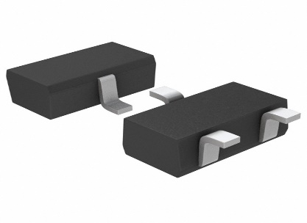 | RESET IC Supervisor Push-Pull, Totem Pole 1 Channel | ELEC-218_R00 | 1 | SOT-23-3 | RESET IC | 2.3 V | - | BD49K23G-TL | Rohm Semiconductor | -40°C ~ 105°C | EEU001-003 | TLV809J25DBVR | Texas Instruments | SMD | When we use Alternate part (TLV809J25DBVR) at time no need to mount capacitor C4
88 |  |  | U2 | 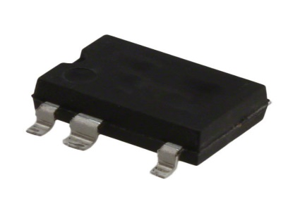 | AC/DC Converters 900V 225 mA (MDCM) 360 mA (CCM) | ELEC-133_R00 | 1 | SMD-8C-7 | Buck, Buck-Boost, Flyback | 225 uA | - | LNK3296G-TL | Power Integrations | -40°C ~ 150°C |  |  |  | SMD
89 |  |  | U4 |  | Linear Voltage Regulator IC Positive Fixed 1 Output 3.6V 200mA | ELEC-016 | 1 | SOT-23-5 | Linear Voltage Regulator IC | 3.6 V | - | LDK220M36R | STMicroelectronics | -40°C ~ 125°C |  |  |  | SMD
90 |  |  | U6 |  | 1.65V to 5.5V 24uW Magnetic Switch Omnipolar Switch Open Drain Hall Effect | ELEC-023_R00 | 1 | SOT-23-3 | MAGNETIC SWITCH OMNIPOL | 4 mT to 9.5 mT | - | DRV5032AJDBZR | Texas Instruments | -40°C ~ 85°C |  |  |  | SMD
91 |  |  | U7 | 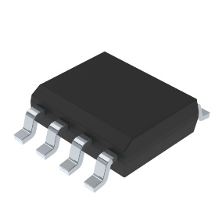 | 2MB EEPROM Memory IC 2Mbit I²C 1MHz 450 ns | ELEC-015 | 1 | SOIC-8 | IC EEPROM 2MBIT I2C 1MHZ 8SOIC | 2 Mbit | - | M24M02-DRMN6TP | STMicroelectronics | -40°C ~ 85°C |  |  |  | SMD
92 |  |  | OPK1, OPK2 | 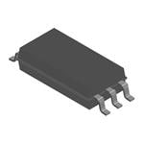 | Logic Output Optoisolator 20Mbps Open Collector 5000Vrms 1 Channel 20kV/µs CMTI 6-SO | EEU001-036 | 2 | 6-SOIC | High Speed Optocouplers | 5000 Vrms |  | TLP2768A(TP,E | Toshiba | -40°C ~ 125°C |  |  |  | SMD
93 |  |  | U9 | 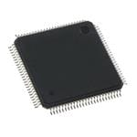 | ARM Microcontrollers - MCU Kinetis KM34: 75MHz Cortex-M0+ Metrology MCU, 256KB Flash, 32KB SRAM 14x14mm | ELEC-221_R00 | 1 | LQFP-100 | ARM Microcontrollers - MCU | 1.71 V to 3.6 V | - | MKM34Z256VLL7 | NXP Semiconductors | -40°C ~ 105°C |  |  |  | SMD
94 |  |  | U10 |  | Linear Voltage Regulator IC Positive Fixed 1 Output 300mA SOT-23-5 | ELEC-024_R00 | 1 | SOT23-5 | LDO Voltage Regulator | 2.8V | - | ST732M28R | STMicroelectronics | -40°C ~ 125°C |  |  |  | SMD
95 |  |  | U11 | 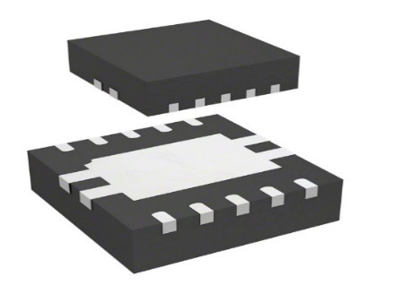 | Switching Voltage Regulators 1A High EFF DC DC 1.5MHz 2.0V to 5.5V | ELEC-144_R00 | 1 | DFN-10 | IC REG BCK BST ADJ 1.6A 10DFN | 1A | - | STBB1-APUR | STMicroelectronics | -40°C ~ 85°C |  |  |  | SMD
96 |  |  | Y1 | 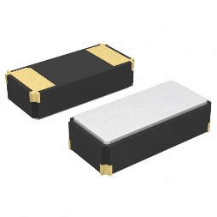 | CRYSTAL 32.768 kHz 12.5 pF SMD | EEY001-001 | 1 | 2-SMD, No Lead | CRYSTAL 32.7680KHZ 12.5PF SMD | 32.768 kHz | - | ABS07-32.768KHZ-T | Abracon LLC | -40°C ~ 85°C | EEY001-002 | SC32S-12.5PF20PPM | Seiko | SMD
97 |  |  |  | 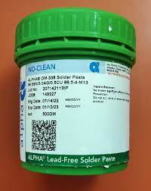 | Leadfree Solder Paste, SN 99%/CU 0.7%/Ag0.3%; 2% Flux, T4 | ECON-010_R00 | 0.01 Kgs
98 |  |  |  |  | Leadfree Solder Wire SN 99%/CU 0.7%/Ag0.3%, RC WIRE; 20 SWG/1mm ; 2% No Clean Flux | ECON-011_R01 | 0.001 Kgs
Total Components |  |  |  |  |  |  | 174 | PTH componant : 37 SMD componant :134 PCB :1 Mechanical Part-2
BOM Rev.No:R26 |  |  |  | Date: 15/06/2024 | PCB Part No: EPCB-006_R09 | PCB Name : 1Phase SEM Main Board |  |  |  | Prepared By: Ronak Patel |  |  | Checked By : Sanjay Tarbundiya |  |  | Approved By : Gyanprakash Asthana

